Sheet1
PIONEER SERVICES

PIONEER SERVICES




M/S Crescent corporation |  |  |  |  | 25-Feb-25

PO # 13488

Att: Mr. Atif Munawwar

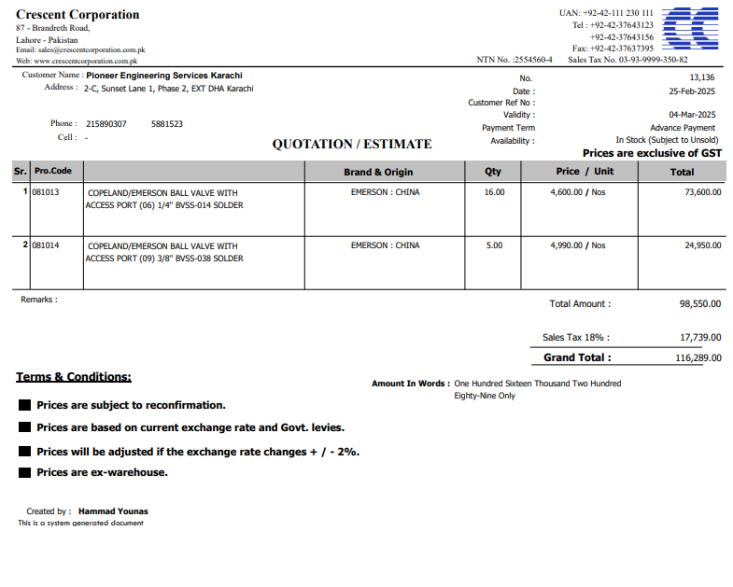
PURCHASE ORDER

Supply of Valves for the project NICVD
S No. | D e s c r i p t i o n | Qty | Unit | Rate | Amount
 | Brand: EMERSON : CHINA |  |  |  |  | 575,000
1 | EMERSON BALL VALVE WITH ACCESS PORT (06) 1/4'' BVSS-014 Solder | 16 | Nos | 4,600 | 73,600
2 | EMERSON BALL VALVE WITH ACCESS PORT (09) 3/8'' BVSS-038 Solder | 5 | Nos | 4,990 | 24,950
 |  | TOTAL: |  |  | 98,550
Discount 5% |  |  |  |  | 4,928
Total amount |  |  |  |  | 93,623
Sales Tax 18% |  |  |  |  | 16,852
Total amount |  |  |  |  | 110,475

Note: This PO is subject to the consultant's approval.

for Pioneer Services

